Figure 1
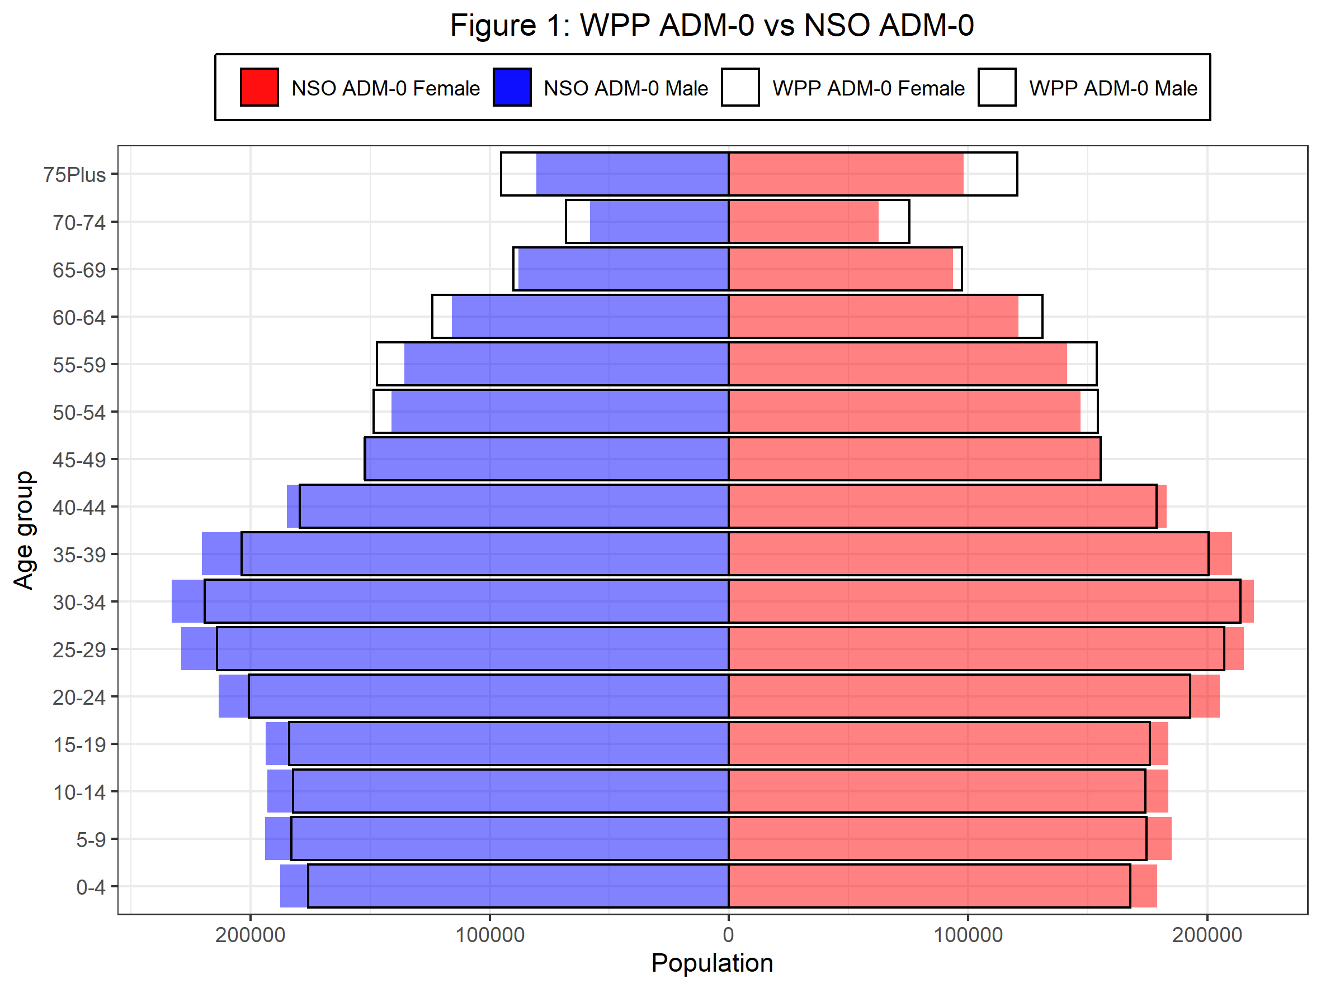
Age | WPP_ADM0_F | WPP_ADM0_M | NSO_ADM0_F | NSO_ADM0_M | F_NSO_minus_WPP | M_NSO_minus_WPP | F_NSO_minus_WPP_pct | M_NSO_minus_WPP_pct
0-4 | 167840 | -175943 | 178858 | -187528 | 11018 | 11585 | 6.56 | 6.58
5-9 | 174616 | -182941 | 184918 | -193818 | 10302 | 10877 | 5.90 | 5.95
10-14 | 173980 | -182165 | 183548 | -192902 | 9568 | 10737 | 5.50 | 5.89
15-19 | 175910 | -183896 | 183688 | -193735 | 7778 | 9839 | 4.42 | 5.35
20-24 | 192781 | -200594 | 205054 | -213165 | 12273 | 12571 | 6.37 | 6.27
25-29 | 206918 | -213933 | 215099 | -228933 | 8181 | 15000 | 3.95 | 7.01
30-34 | 213675 | -219087 | 219360 | -232881 | 5685 | 13794 | 2.66 | 6.30
35-39 | 200372 | -203565 | 210263 | -220352 | 9891 | 16787 | 4.94 | 8.25
40-44 | 178737 | -179405 | 182860 | -184698 | 4123 | 5293 | 2.31 | 2.95
45-49 | 155402 | -151976 | 154797 | -152975 | -605 | 999 | -0.39 | 0.66
50-54 | 154173 | -148397 | 146949 | -141029 | -7224 | -7368 | -4.69 | -4.97
55-59 | 153618 | -147208 | 141405 | -135696 | -12213 | -11512 | -7.95 | -7.82
60-64 | 130946 | -124059 | 120902 | -115728 | -10044 | -8331 | -7.67 | -6.72
65-69 | 97380 | -90194 | 93602 | -88043 | -3778 | -2151 | -3.88 | -2.38
70-74 | 75369 | -68167 | 62593 | -57967 | -12776 | -10200 | -16.95 | -14.96
75Plus | 120502 | -95304 | 97994 | -80395 | -22508 | -14909 | -18.68 | -15.64

Figures 2
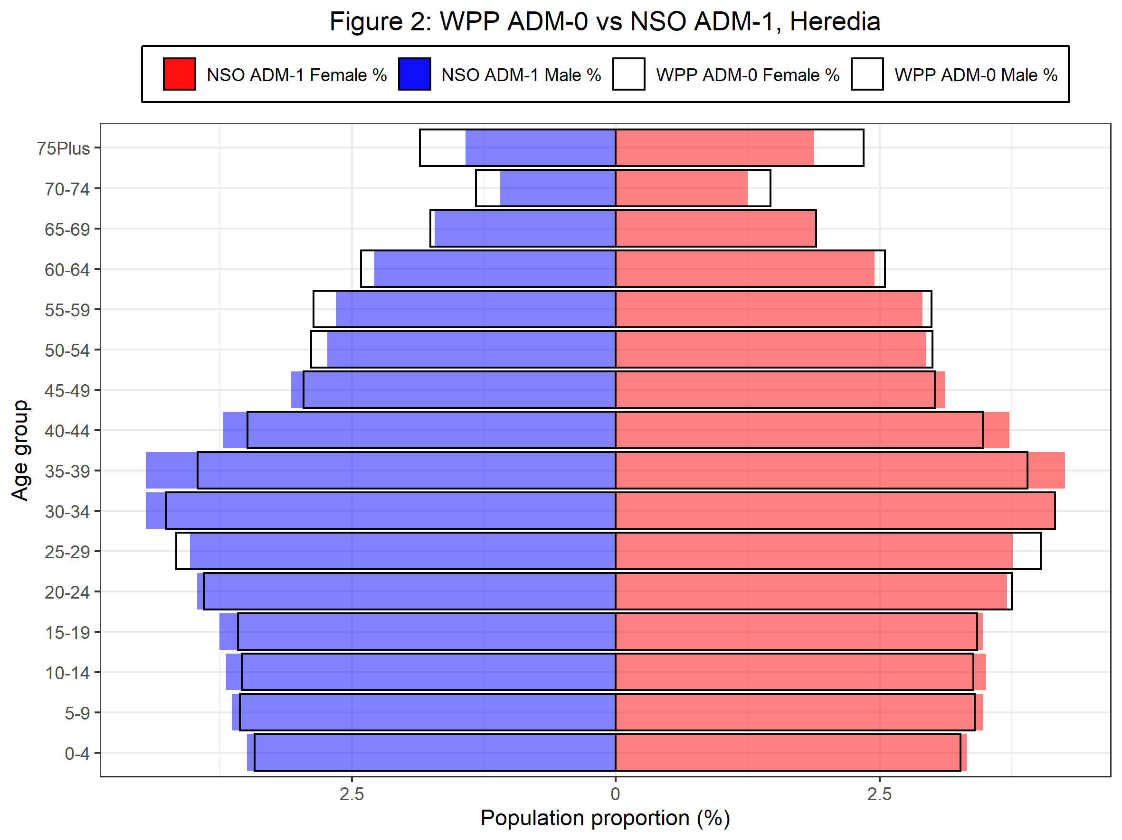
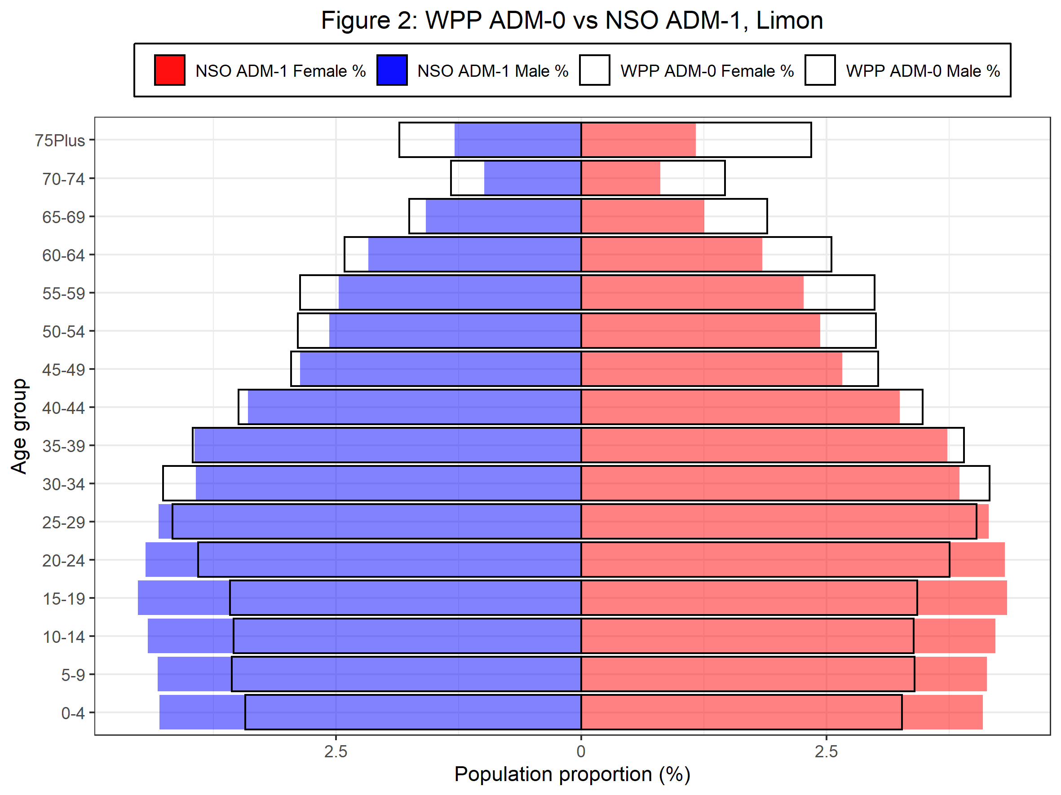
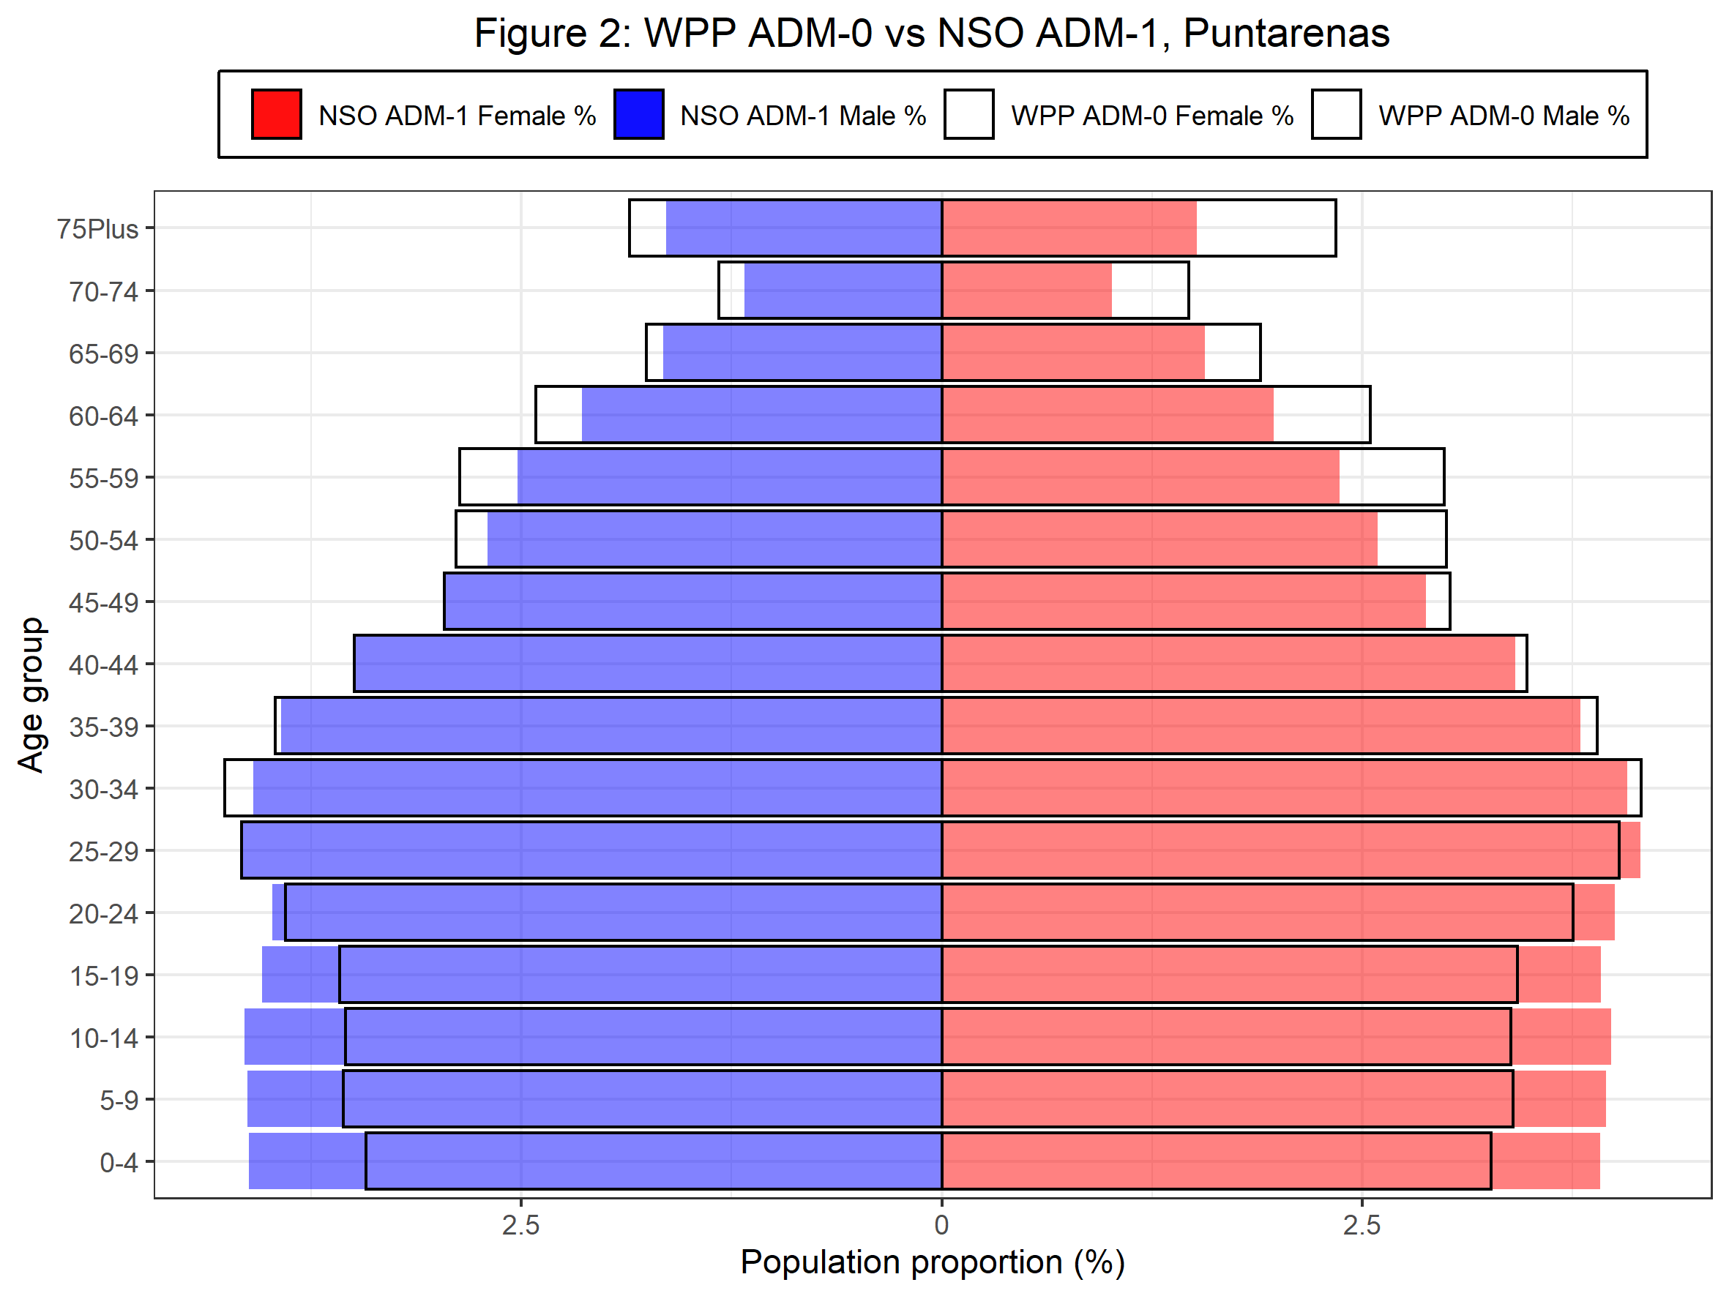
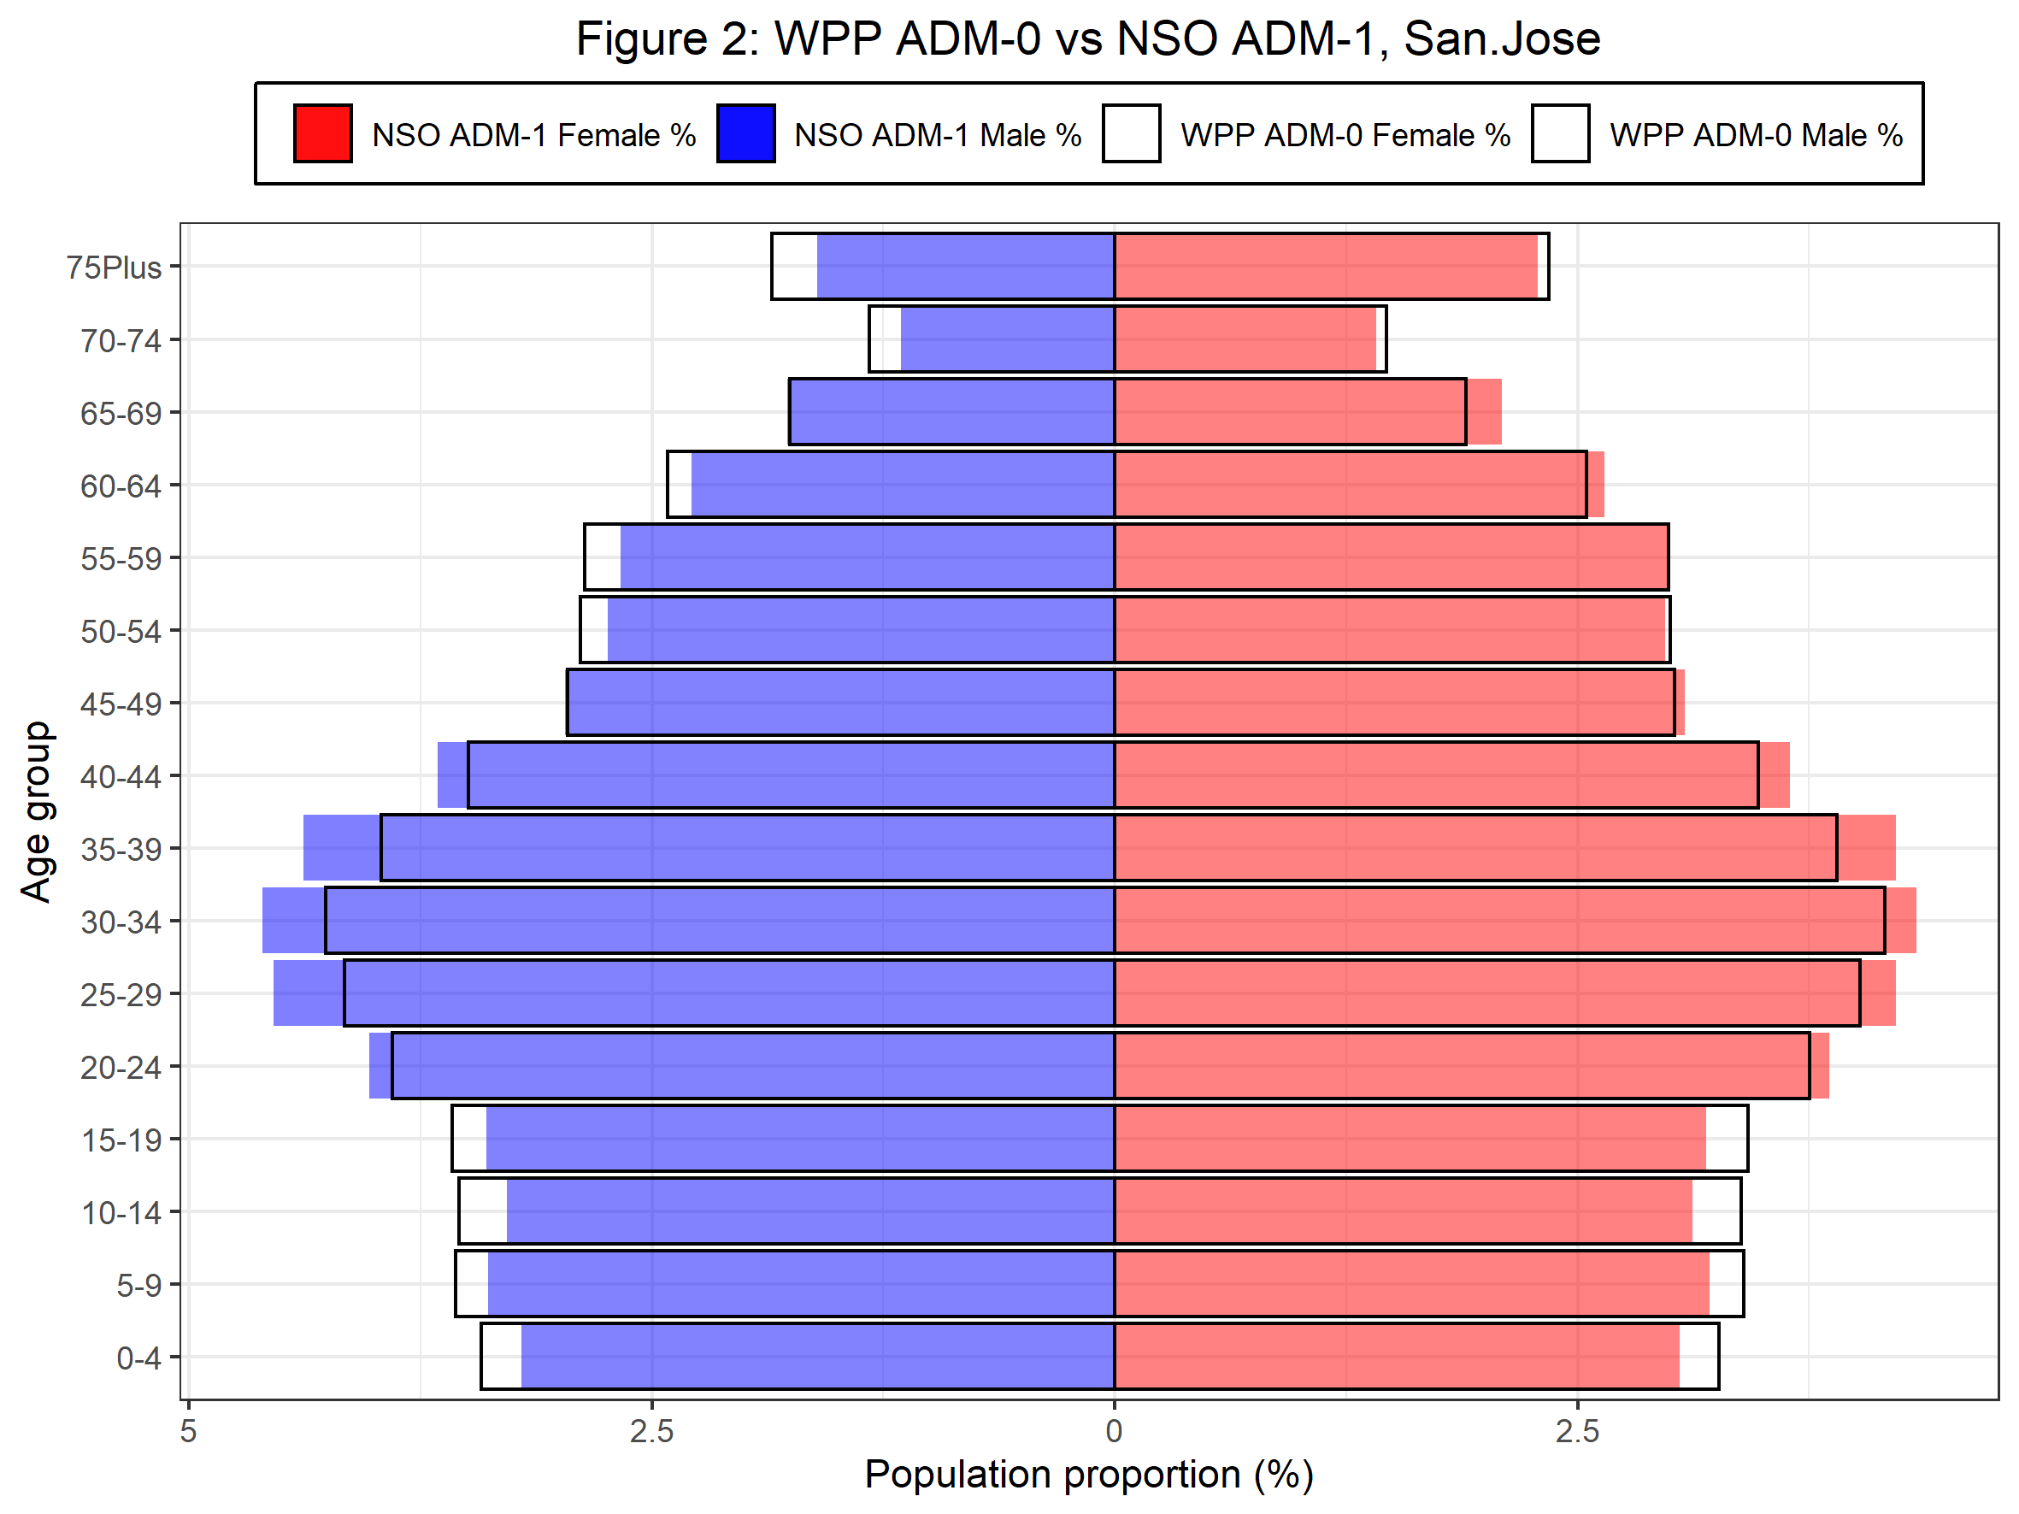
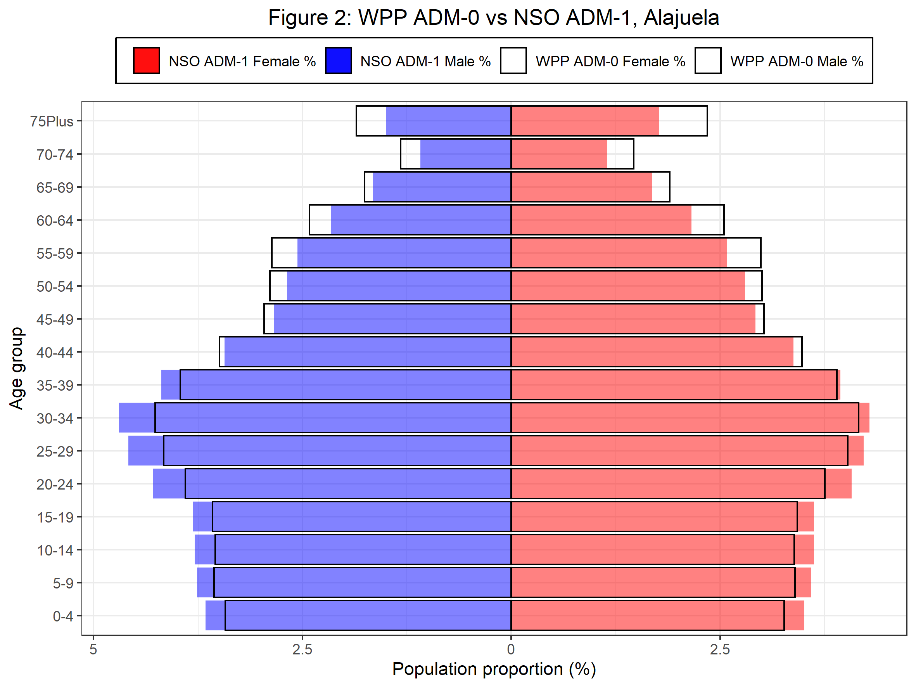
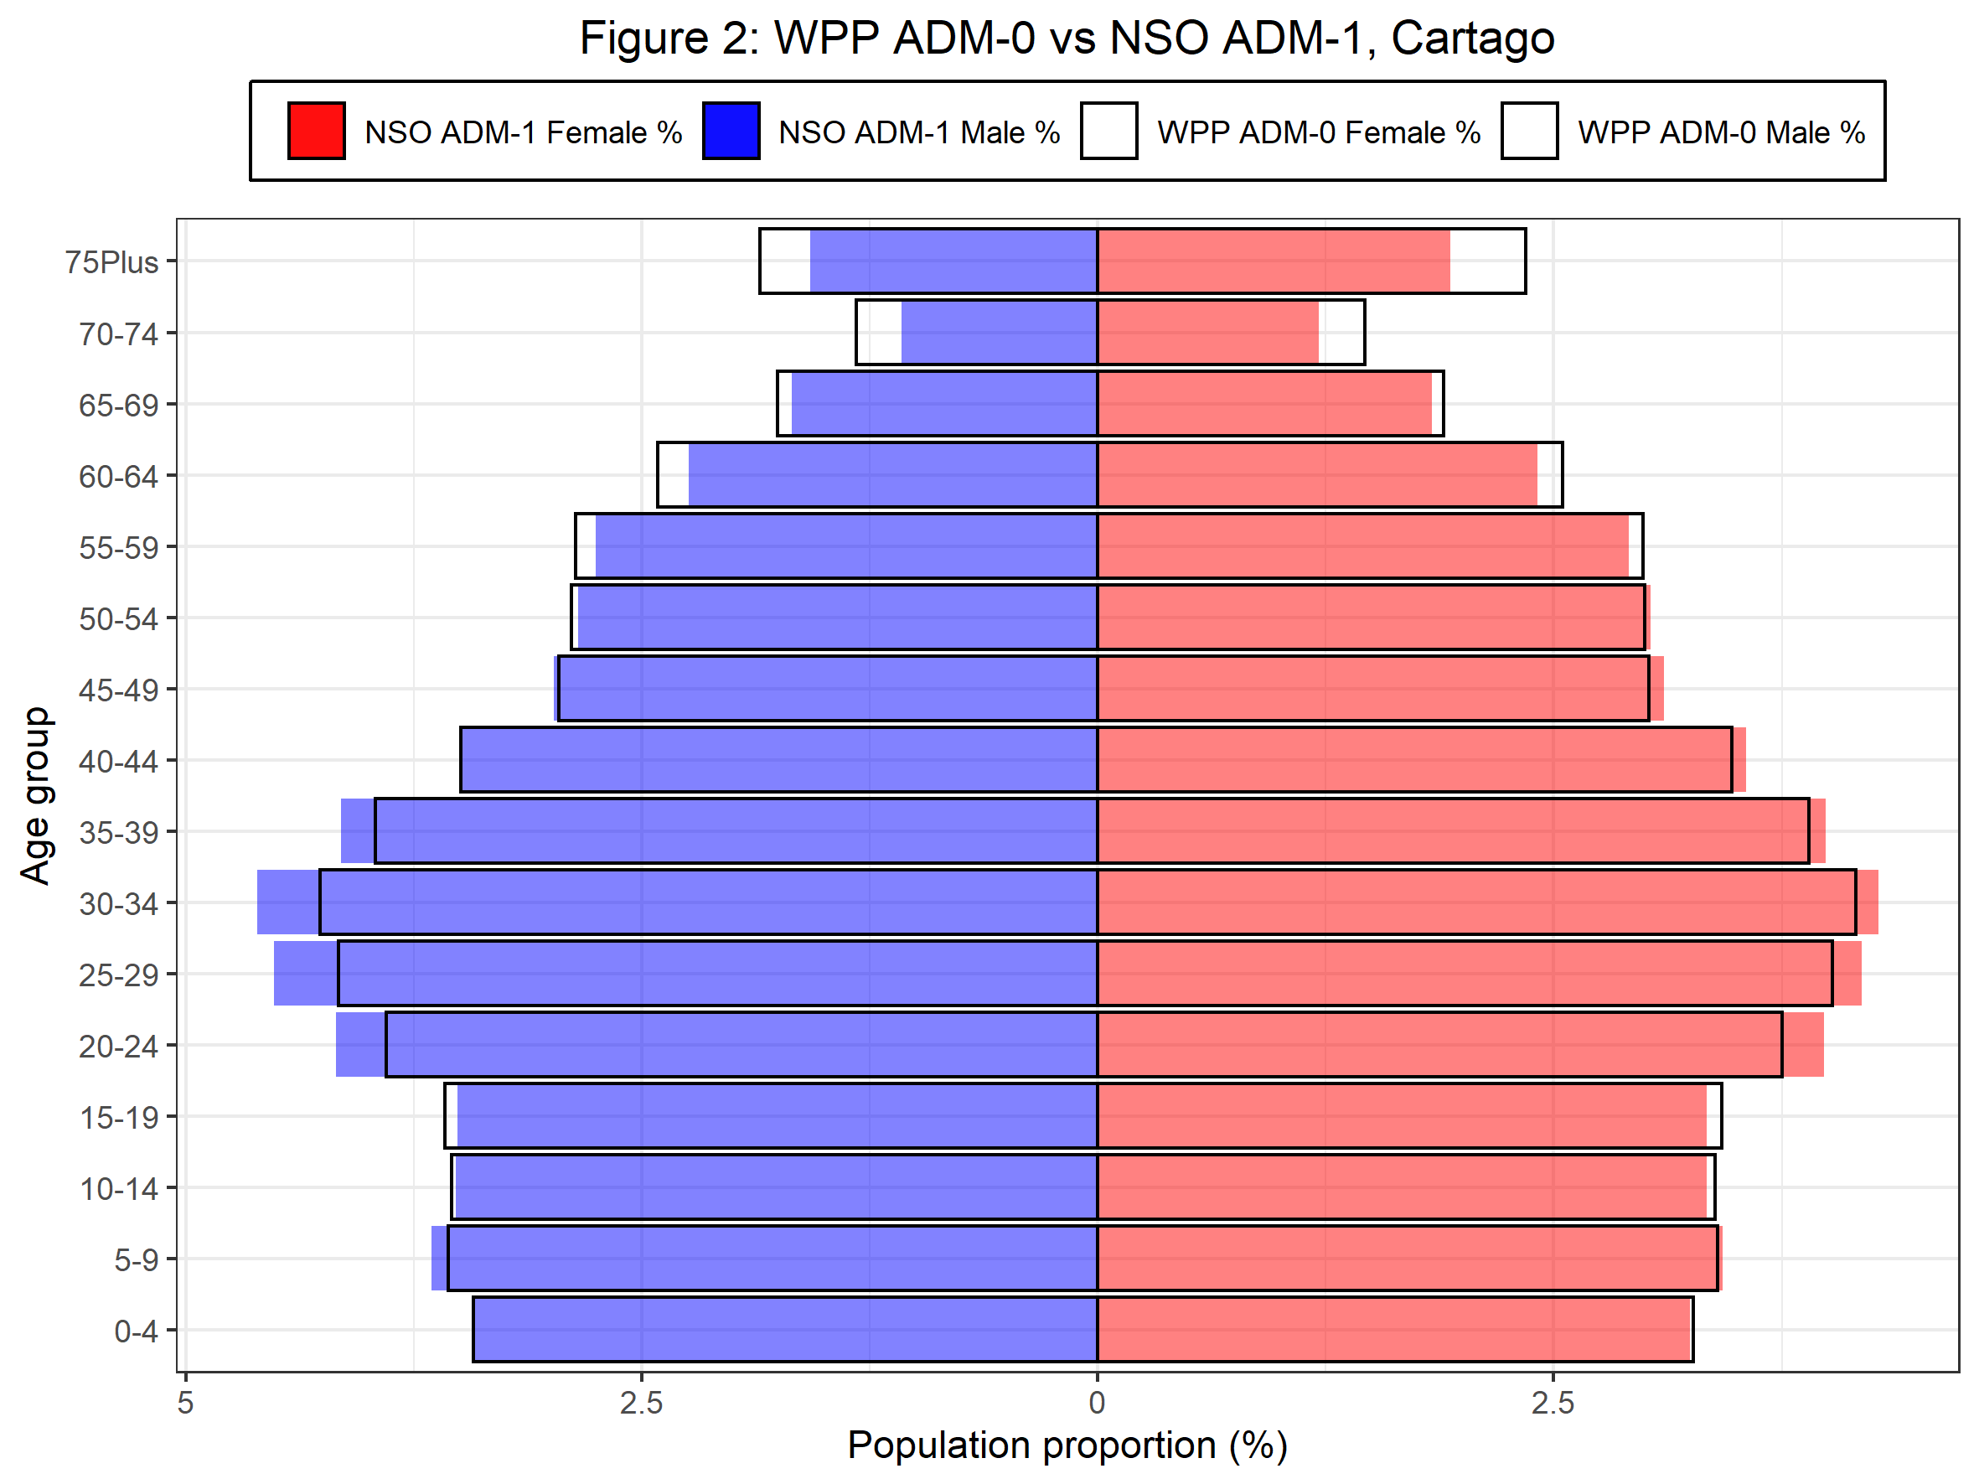
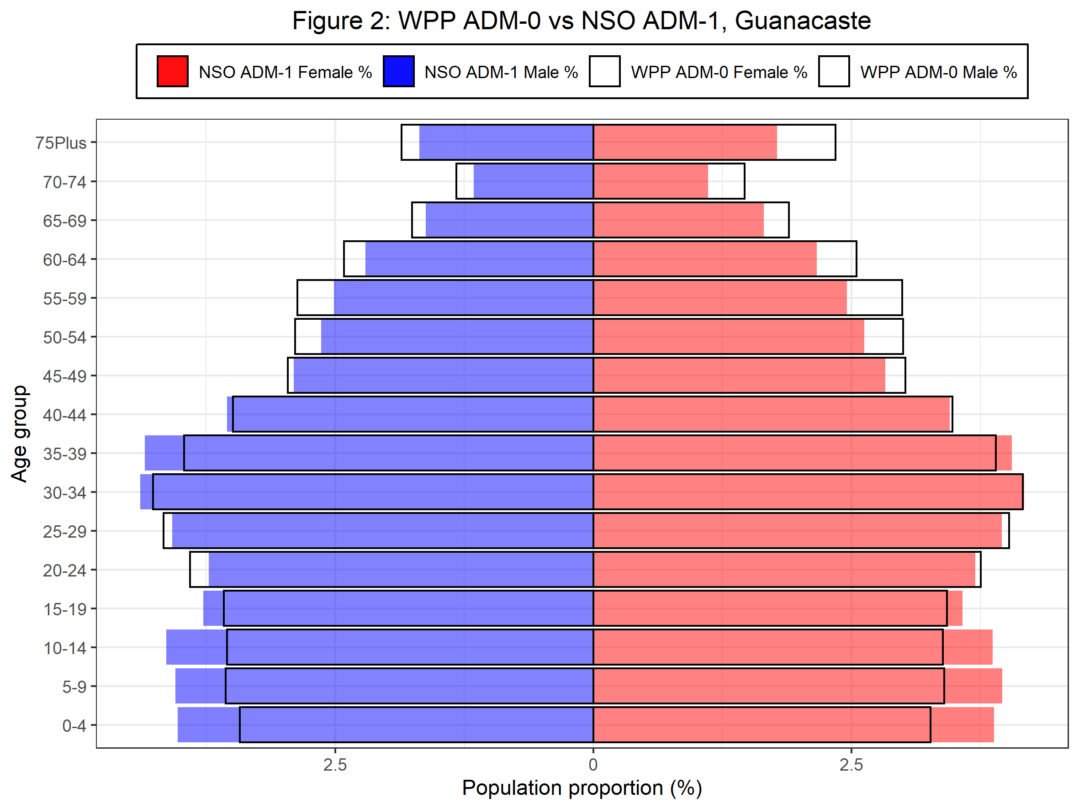
Age | WPP_ADM0_F_pct | WPP_ADM0_M_pct | Alajuela_ADM1_F_pct | Alajuela_ADM1_M_pct | Cartago_ADM1_F_pct | Cartago_ADM1_M_pct | Guanacaste_ADM1_F_pct | Guanacaste_ADM1_M_pct | Heredia_ADM1_F_pct | Heredia_ADM1_M_pct | Limon_ADM1_F_pct | Limon_ADM1_M_pct | Puntarenas_ADM1_F_pct | Puntarenas_ADM1_M_pct | San.Jose_ADM1_F_pct | San.Jose_ADM1_M_pct
0-4 | 3.2659713764 | -3.4236463411 | 3.508909896 | -3.6581354289 | 3.2456096858 | -3.434572703 | 3.8797323045 | -4.0259483387 | 3.3226132086 | -3.4939225524 | 4.0931975027 | -4.2985778219 | 3.91531568 | -4.1184697201 | 3.0520713899 | -3.2031752727
5-9 | 3.397824463 | -3.5598192897 | 3.588509634 | -3.7614232817 | 3.4281453895 | -3.6531013624 | 3.9583484598 | -4.0452268226 | 3.4789118761 | -3.6382126788 | 4.1344886245 | -4.3179330353 | 3.947150507 | -4.1282225862 | 3.2148262246 | -3.3844521334
10-14 | 3.385448642 | -3.5447192313 | 3.622555305 | -3.7899065614 | 3.339081188 | -3.5225350794 | 3.865461219 | -4.1336074049 | 3.5044300259 | -3.6920634802 | 4.2202967369 | -4.4151392177 | 3.9819295953 | -4.1442320078 | 3.1196469104 | -3.2840149538
15-19 | 3.4230041994 | -3.57840248 | 3.6239938545 | -3.8087995113 | 3.3387139129 | -3.5113331901 | 3.5762839596 | -3.7785828562 | 3.4755344739 | -3.7547330539 | 4.3381484803 | -4.5172917325 | 3.9208361703 | -4.0409988407 | 3.1925400449 | -3.395565349
20-24 | 3.751294256 | -3.9033261576 | 4.0745475522 | -4.2897545547 | 3.9816289016 | -4.1773865074 | 3.699215591 | -3.7235014734 | 3.7044472881 | -3.9648825227 | 4.3153523402 | -4.4383654737 | 3.9997791804 | -3.982297628 | 3.8577197713 | -4.0273456802
25-29 | 4.0263838493 | -4.1628875982 | 4.2154294981 | -4.5846571985 | 4.1900574969 | -4.5161977482 | 3.9563455005 | -4.0765230628 | 3.7609249579 | -4.0324305662 | 4.1488975055 | -4.307180139 | 4.1536168412 | -4.1699942955 | 4.2192577686 | -4.5452454258
30-34 | 4.1578672179 | -4.2631784494 | 4.2868774557 | -4.6947541855 | 4.2802235236 | -4.6089347003 | 4.1721643729 | -4.3867313956 | 4.1568315464 | -4.4510408028 | 3.8519025099 | -3.9288932474 | 4.0763299781 | -4.0956516939 | 4.3300314337 | -4.604276915
35-39 | 3.8990062955 | -3.9611383654 | 3.939995224 | -4.1882888646 | 3.9922798783 | -4.1496572406 | 4.0512357007 | -4.3429166594 | 4.2542133092 | -4.4516037031 | 3.7297496081 | -3.9402913175 | 3.7949689932 | -3.9293009219 | 4.2194370141 | -4.3817736095
40-44 | 3.4780143345 | -3.4910128384 | 3.3768510535 | -3.4301732877 | 3.5557734721 | -3.4896639617 | 3.4521004785 | -3.545989199 | 3.7282767368 | -3.7168310961 | 3.245654217 | -3.3983453443 | 3.4103748413 | -3.4865576063 | 3.6448359695 | -3.6570246576
45-49 | 3.0239423489 | -2.9572763698 | 2.9230366437 | -2.8383540309 | 3.1032906009 | -2.9819061943 | 2.8266764144 | -2.9027888706 | 3.119969078 | -3.0738112483 | 2.6576858477 | -2.8630661669 | 2.8778315514 | -2.9674475093 | 3.0772852446 | -2.9710524633
50-54 | 3.000027437 | -2.8876331884 | 2.7977869355 | -2.6865391089 | 3.0313046896 | -2.8472998856 | 2.6231256682 | -2.6343923146 | 2.9398409619 | -2.7310049273 | 2.4353159524 | -2.5658561133 | 2.590214011 | -2.7000717664 | 2.9709329664 | -2.7382724208
55-59 | 2.9892277819 | -2.86449663 | 2.5792233175 | -2.5599467545 | 2.910287558 | -2.7510738205 | 2.4566296703 | -2.5134636425 | 2.904378239 | -2.6503225419 | 2.2643449013 | -2.4727360315 | 2.3647939937 | -2.5212078833 | 2.9869455566 | -2.6683069614
60-64 | 2.5480570058 | -2.4140439883 | 2.1581119326 | -2.1583996425 | 2.4128134922 | -2.2423978654 | 2.1654494516 | -2.2047575292 | 2.4523692476 | -2.2893157758 | 1.8428313666 | -2.1677838926 | 1.9743113188 | -2.1404780745 | 2.6434515975 | -2.2878884472
65-69 | 1.8949016482 | -1.7550704381 | 1.6880898652 | -1.6557704535 | 1.8312334382 | -1.6791815643 | 1.6499377831 | -1.6233985714 | 1.896598956 | -1.7162832064 | 1.2537877077 | -1.5819661026 | 1.5637708629 | -1.6585392783 | 2.091315978 | -1.7705861863
70-74 | 1.4665931641 | -1.3264506126 | 1.1514150052 | -1.0896532808 | 1.2118240532 | -1.0761159194 | 1.1111417119 | -1.1559579278 | 1.2511398732 | -1.0950288393 | 0.80668227987 | -0.99034174855 | 1.0130099553 | -1.1745763024 | 1.4116173732 | -1.153384482
75Plus | 2.3448289014 | -1.8545051005 | 1.7697994758 | -1.5003112062 | 1.931499529 | -1.5748754478 | 1.7788782927 | -1.6834873526 | 1.8722066069 | -1.4258266192 | 1.1651838423 | -1.2927131923 | 1.517398745 | -1.6403216606 | 2.2868727232 | -1.6088470756

