Guidance
MOZAMBIQUE HUMANITARIAN NEEDS OVERVIEW (HNO) 2021 CLUSTER DATA COLLECTION TEMPLATE

Baseline Data Tab:
2020 Population projection base on 2012 Census with gender and age-breakdown by District, including key population classes
Number of IDP's (Internally Displaced Persons) by District

Cluster Indicator Tabs
Three individual worksheets are provided to input data for each of the indicators selected by the Cluster (maximum of 3 indicators, clusters can use less based on data available)
Please refer to the Indicator Reference Table tab for examples of Indicators to use per Cluster/Sector.
(Clusters may also use their own other indicators if relevant data is available).

Please refer to the Severity Scale Reference Table tab for definitions regarding the severity scale (1-5) in the Indicator template
For each indicator, geographical area/affected group, calculate the percentage of people per severity class.
The total number of people in an area or affected group will be distributed across the 5 severity classes, totalling 100 %
Example:

* The following indicators are NOT recommended:
● A sector PiN should not be used as a measure of severity in the Humanitarian Conditions
pillar. Sector PiN, when already calculated, will be used at a later stage as part of the review
and finalisation of JIAF and sector findings.
● Response indicators, e.g. % of the population who have received (or not received) XX, should
not be included in the JIAF as they are not needs-related indicators. They can be used
separately to calculate gaps in response and inform the projection of needs.
● Risk indicators, e.g. number of people living in flood prone areas should be used only to
support JIAF risk analysis

OCHA will then assist to calculate one overall severity class score per indicator by area using the 25% rule, and combine the scores from the indicators based on the JIAF Scenario B methodology (multiple indicators from multiple sources)

The 25% rule” involves adding up the cumulative % sum from right to left, until reaching at least 25% of the population. This will return one final severity classification score. Example:

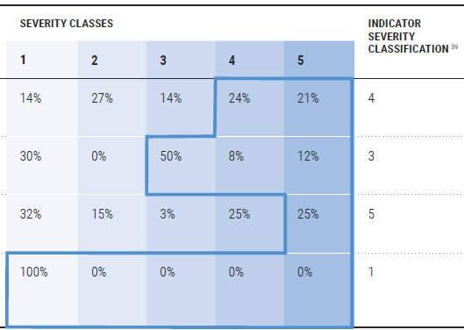

PiN (People in Need) CALCULATION
Clusters can calculate the PiN using their own methodology and indicators based on available data (please specify methodology in the worksheet provided)
A separate worksheet tab 'PIN_Methodology_Source' has also been provided for Clusters to indicate how their PIN was calculated and data sources used.
(* If you add numbers, take care not to duplicate the PiN, rather use the max value. The PiN should not be greater that the total population for that area/district )

Alternatively, the PiN can also be calculated by adding together the number of people in Severity class 3 and above (3,4,5), as indicated in the JIAF example below :

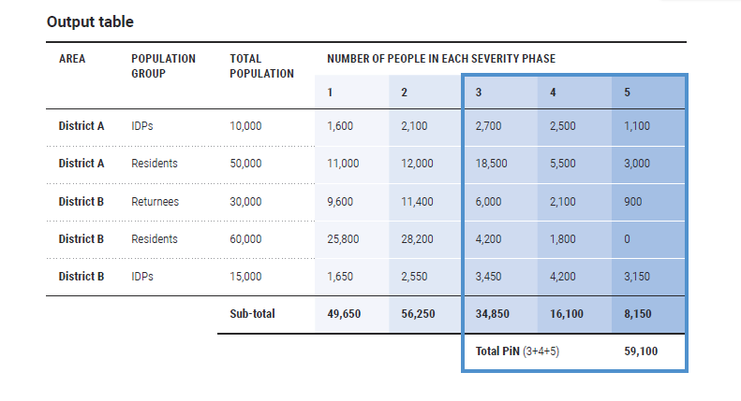

Please refer to the Joint Intersectoral Analysis Framework (JIAF) Guidance .pdf file for more detailed information

